COVER
Weekly price report on
Heavy Lamb and Light Lamb prices
in the EU
DG AGRI G3, Meat sector

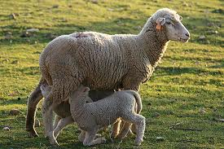
 |  |  |  |  |  |  | Disclaimer
Please note that EU prices for sheep meat, are averages of the national prices communicated by Member States weighted with coefficients. The coefficients attributed to Member States' prices were modified on 1st July 2020; from this date, the coefficient used for each Member State corresponds to this Member State's share in volume in total EU production over the last three years. This affects EU prices for sheep meat.

 | Week 2021 | 7 |  | Variation 1 week | Variation 1 Month | Variation 1 Year
 | Heavy Lamb | 627.3 | EUR/100 kg carcass | + 0.5% | - 1.2% | + 9.3%
 | Light Lamb | 570.5 |  | - 0.2% | - 2.6% | + 1.9%

Heavy Lamb Prices
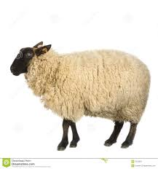
European Commission |  |  |  |  |  |  |  |  |  |  |  |  |  |  |  |  |  |  |  |  |  |  |  |  |  |  |  |  | Week | 7
DG Agriculture and Rural Development
Unit G3 – Animal products
 |  |  |  |  |  |  |  |  |  |  |  |  | HEAVY LAMB PRICE

 |  |  |  |  |  |  |  |  |  |  |  |  | DG AGRI G3, Meat sector
EU_H
Source: Commission Implementing Regulation (EU) 2017/1185 |  |  |  |  |  |  |  |  |  |  |  |  |  |  |  |  |  |  |  |  |  |  |  |  | EUR per 100 kg carcass
EU_H |  |  |  |  |  |  |  | GR
Heavy Lamb |  | BE | BG | CZ | DK | DE | EE | EL | ES | FR | HR | IE | IT | CY | LV | LT | LU | HU | MT | NL | AT | PL | PT | RO | SI | SK | FI | SE | EU (weighted avg.) |  | NI | GB | UK
Week beginning | Week N° | EUR | EUR | EUR | EUR | EUR | EUR | EUR | EUR | EUR | EUR | EUR | EUR | EUR | EUR | EUR | EUR | EUR | EUR | EUR | EUR | EUR | EUR | EUR | EUR | EUR | EUR | EUR | EURO | Compare to last week | EUR | EUR | EUR
...

Light Lamb Prices
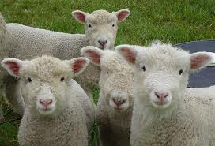
European Commission |  |  |  |  |  |  |  |  |  |  |  |  |  |  |  |  |  |  |  |  |  |  |  |  |  |  |  |  | Week | 7
DG Agriculture and Rural Development
Unit G3 – Animal products
 |  |  |  |  |  |  |  |  |  |  |  |  | LIGHT LAMB PRICE

 |  |  |  |  |  |  |  |  |  |  |  |  | DG AGRI G3, Meat sector
EU_L
Source: Commission Implementing Regulation (EU) 2017/1185 |  |  |  |  |  |  |  |  |  |  |  |  |  |  |  |  |  |  |  |  |  |  |  | EUR per 100 kg carcass
 |  |  |  |  |  |  |  | GR
Light Lamb |  | BE | BG | CZ | DK | DE | EE | EL | ES | FR | HR | IE | IT | CY | LV | LT | LU | HU | MT | NL | AT | PL | PT | RO | SI | SK | FI | SE | EU (weighted avg.) |  | UK
Week beginning | Week N° | EUR | EUR | EUR | EUR | EUR | EUR | EUR | EUR | EUR | EUR | EUR | EUR | EUR | EUR | EUR | EUR | EUR | EUR | EUR | EUR | EUR | EUR | EUR | EUR | EUR | EUR | EUR | EURO | Compare to last week | EUR
...

